Executive Dashboard
Executive Dashboard
Qualys | Adhoc Report

TOTAL OPEN |  | CRITICAL | HIGH |  | IMMEDIATE PATCH
125 |  | 31 | 31 |  | 72

Current unresolved findings |  | Critical severity findings | High severity findings |  | P1 + P2 findings

Severity Distribution |  |  | Patch Priority Distribution
Severity | Open Findings |  | Patch Priority | Open Findings
Critical | 31 |  | P1 | 41
High | 31 |  | P2 | 31
Medium | 31 |  | P3 | 26
Low | 32 |  | P4 | 27

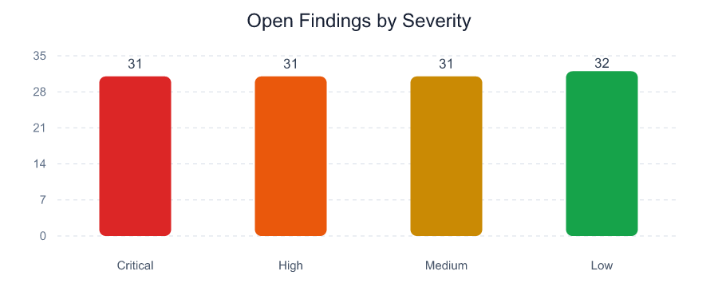
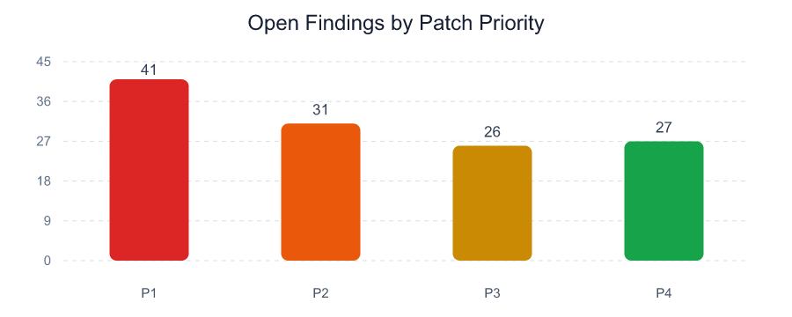

Executive Observations

- 72 of 125 open findings require P1 or P2 handling.

- 51 findings contain positive exploit-availability evidence in the selected scanner exports.

- 40 unique normalized assets or workloads are affected.

Top Vulnerable Assets
Top Vulnerable Assets
Qualys | Adhoc Report

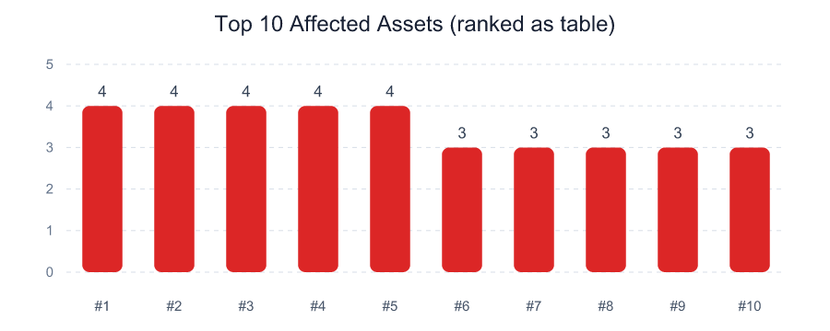
IP Address | DNS / Workload | Critical | High | P1 + P2 | Open Findings | Max Exposure
10.30.18.37 | asset-017.corp.local | 4 | 0 | 4 | 4 | 940
10.30.10.38 | asset-018.corp.local | 0 | 4 | 4 | 4 | 800
10.30.17.36 | asset-016.corp.local | 0 | 0 | 1 | 4 | 350
10.30.12.40 | asset-020.corp.local | 0 | 0 | 1 | 4 | 350
10.30.11.39 | asset-019.corp.local | 0 | 0 | 0 | 4 | 620
10.30.11.21 | asset-001.corp.local | 3 | 0 | 3 | 3 | 940
10.30.12.22 | asset-002.corp.local | 0 | 3 | 3 | 3 | 800
10.30.15.25 | asset-005.corp.local | 3 | 0 | 3 | 3 | 940
10.30.16.26 | asset-006.corp.local | 0 | 3 | 3 | 3 | 800
10.30.10.29 | asset-009.corp.local | 3 | 0 | 3 | 3 | 940
10.30.11.30 | asset-010.corp.local | 0 | 3 | 3 | 3 | 800
10.30.14.33 | asset-013.corp.local | 3 | 0 | 3 | 3 | 940
10.30.15.34 | asset-014.corp.local | 0 | 3 | 3 | 3 | 800
10.30.13.41 | asset-021.corp.local | 3 | 0 | 3 | 3 | 940
10.30.14.42 | asset-022.corp.local | 0 | 3 | 3 | 3 | 800

Top Vulnerabilities
Top Vulnerabilities
Qualys | Adhoc Report

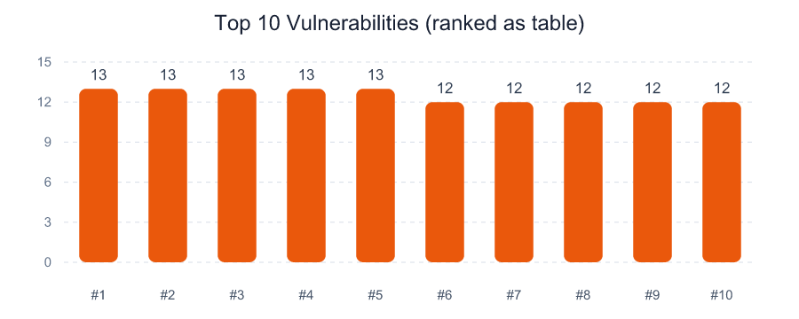
Vulnerability | CVE | Open Findings | Affected Assets | Highest Priority | Exploit Available | Max Exposure
Linux Kernel Security Update Available | CVE-2024-1086 | 13 | 4 | P1 | 5 | 940
Nginx Security Update Available | CVE-2025-2345 | 13 | 4 | P1 | 5 | 800
Oracle Java Unsupported Version | CVE-2024-20919 | 13 | 4 | P1 | 6 | 800
SMB Signing Not Required | N/A | 13 | 4 | P1 | 5 | 940
TLS 1.0 Protocol Detection | N/A | 13 | 4 | P1 | 5 | 800
Apache Log4j Remote Code Execution | CVE-2021-44228 | 12 | 4 | P1 | 5 | 800
Apache Tomcat AJP Request Injection | CVE-2020-1938 | 12 | 4 | P1 | 5 | 940
Microsoft SQL Server Unsupported Version | N/A | 12 | 4 | P1 | 5 | 940
OpenSSL Security Update Available | CVE-2023-0286 | 12 | 4 | P1 | 5 | 800
Remote Desktop Weak Encryption Enabled | N/A | 12 | 4 | P1 | 5 | 940

